Inventory Cost Metrics I
#3 page 361: Health Clinic Syringes
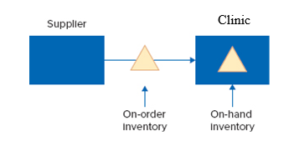
 |  | Formulas:
 |  | Inventory On-Order = Lead Time x Mean Demand
 |  | Inventory On-Hand = square root(Lead Time + 1) x
 |  |  | Demand Std. Dev. x Safety Factor z

Mean Demand: | 100 | syringes per day
Demand Std. Deviation: | 30 | syringes per day
Order lead time: | 1 | day
Holding cost: | $0.05 | per syringe per day
In-stock probability | 0.9987 | (also referred to as the service level)

a. On average, how many syringes should be ordered?

b. On average, how many syringes does the clinic have on hand?
Inventory On-Hand = square root(Lead Time + 1) x Demand Std. Dev. x z
Use Table 11.5 to find the approximate value of z given the in-stock probability.
The value of z given the in-staock probability is |  | 3
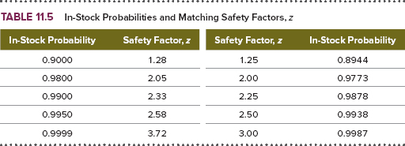

c. If the average inventory was 250 units, what is the average holding cost per day?

d. If the average inventory was 300 units, what is the average holding cost per unit?

e. Find the average holding cost per unit using results from a and b.

